Sheet1
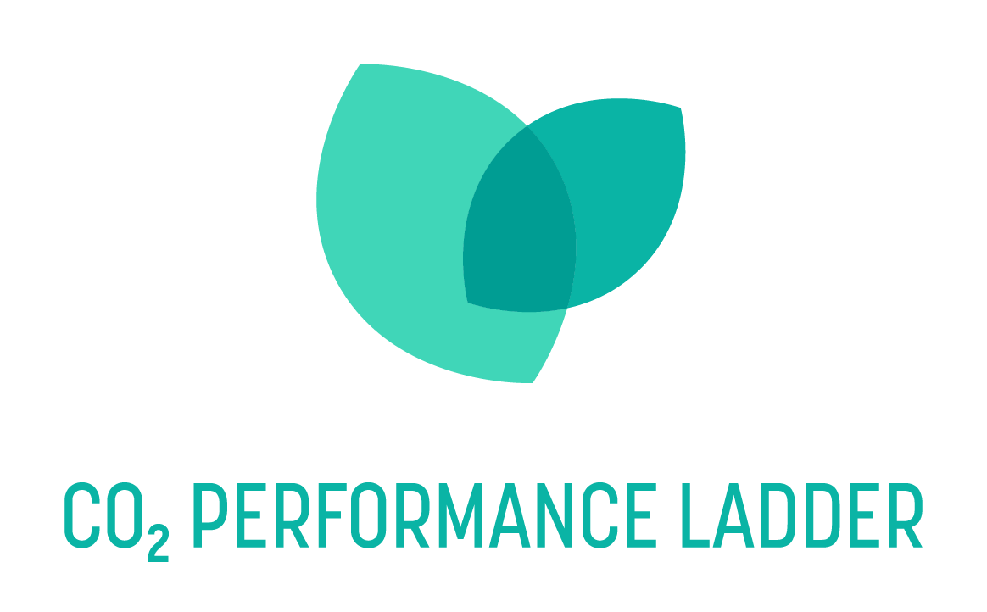
Title: Questionnaire Other Influential Emissions (OIE)
Date: 26-02-2025
Version: 1.0
Status: final
Purpose: This questionnaire helps organisations assess whether OIE are relevant to them. The results can be used in underpinning the qualitative OIE analysis (requirement 2.A.2-3 and 3.A.2-3)
Note: Handbook 4.0 requires organisations to look beyond scope 1, 2 and 3 in terms of their influence and impact on the climate issue. In the CO₂ Performance Ladder, this is called "other influenceable emissions" (OIE). The central question is "What can my organisation do differently so that somewhere less CO₂ is emitted or even sequestered?". This 'somewhere' should be taken as broadly as possible and can relate to: - the customer side at the customer itself or at the customer's customer, etc. - the supplier side - colleagues/competitors - the environment of the company and/or projects CO₂ emissions that are not of fossil origin, but biogenic The three OIE types distinguished are: biogenic CO₂ emissions (direct and indirect), CO₂ removal (direct only) and avoided emissions (comparative emissions). The questionnaire below can help organisations determine if one or more of these types are relevant to them.
Note: Always answer ‘Yes’ if you expect the emissions to be material for your organisation.

Direct biogenic emissions
Question: | Note to question: | Answer:
In your own organisation, do you use fuels or energy carriers made (in part) from biomass? |  | No
Did you fill in "don't know"? If so, please complete the follow-up questions below.
Does your organisation use passenger mobility fuels HVO or green gas? | * HVO is a common form of biodiesel. It stands for Hydrotreated Vegetable Oil and is used pure or blended in varying percentages with fossil-based diesel. * Biogas is gas produced by the fermentation of manure, kitchen and garden waste or other organic waste. It is used for electricity and heat production in Combined Heat and Power (CHP) plants. * Green gas is biogas upgraded to natural gas quality. * Wood pellets are used to generate heat | No
Does your organisation use fuels for stationary or mobile tools or vessels such as HVO or green gas? |  | No
Do you use fuels or energy carriers (e.g. for space or process heating) such as HVO, green gas, biogas or wood pellets in your building(s) or installations? |  | No
Result: | Direct biogenic CO₂ emissions are probably not relevant to your organisation.

Indirect biogenic emissions
Question: | Note to question: | Answer:
Is your organisation a buyer of or customer for products that have used fuels or energy carriers made from biomass during production? |  | No
Did you fill in "don't know"? If so, please complete the follow-up questions below.
Does your organisation ask its contractors/suppliers to use fuels or energy carriers made from biomass? | Consider issuing a tender in which you require the use of HVO, a common form of biodiesel. | No
Do you use green electricity generated (in part) from biomass in your buildings, installations, mobile work or vessels? | Consider an electricity contract where you purchase green electricity made from biomass or the situation where you purchase your own biomass GoOs. | No
Does your organisation supply products that use fuels or energy carriers made from biomass during the use phase? | For example, do you supply static or mobile equipment that uses HVO, wood pellets or biogas? | No
Result: | Indirect biogenic CO₂ emissions are probably not relevant to your organisation.

CO₂ removals
Question: | Note to question: | Answer:
Does your organisation use or see opportunities for techniques that capture CO₂ now or in the future and store it for at least 35 years? |  | No
Did you fill in "don't know"? If so, please complete the follow-up questions below.
Does your organisation use (or can it use) Direct Air Capture (DAC)? | DAC refers to plants that remove CO₂ directly from the atmosphere | No
Does your organisation use (or can it use) materials that sequester CO₂ through mineralisation during use? | Consider for example, scattering olivine (a type of rock that sequesters CO₂) on hiking trails | No
Does your organisation use (or can it use) materials that have sequestered CO₂ and will retain it for at least 35 years? | These include building with wood | No
Result: | CO₂ removals are probably not relevant to your organisation.

Avoided emissions
Question: | Note to question: | Answer:
Targeted avoided emissions
Does your organisation provide products or services with the primary goal of saving energy or CO₂ to its customers (or customers' customers, etc.)? |  | No
Did you fill in "don't know"? If so, please complete the follow-up questions below.
Does your organisation provide products or services that reduce CO₂ compared to products or services provided by others? | Examples: - A new type of asphalt with less rolling resistance compared to asphalt from another supplier that is currently in use; - A new type of energy-efficient device (e.g., a heat pump) compared to a device from another supplier that is currently in use (e.g., a boiler). This may also include a component of an energy-efficient device, such as a battery for an electric car; - A new wind turbine relative to a coal-fired power plant currently in use. | No
Does your organisation perform large-scale renovations or add installations to structures that reduce energy consumption? | Installing energy-efficient installations or insulation materials prevents CO₂ emissions at your client (or your client's client). | No
Does your organisation reuse materials? | For example, consider choosing an already used concrete girder of a bridge, rather than a new one. | No
Does your organisation design or manufacture products that take into account future reuse? | For example, consider choosing certain dimensions and materials of a bridge's concrete girder so that it can be more easily reused in the future. | No
Potential avoided emissions
Does your organisation provide products or services whose primary purpose is not to save energy or CO₂ but there is (unintentionally) an effect on energy or CO₂? |  | No
Did you fill in "don't know"? If so, please complete the follow-up questions below.
Does your organisation influence the scheduling of road work that reduces traffic detours? | Scheduling road work so that less traffic has to detour can save a lot of emissions | No
Does your organisation perform, or has your organisation performed, dredging activities that involve soil disturbance? | By dredging less, many emissions of CO₂ and non-CO₂ greenhouse gases (methane, nitrous oxide) can be avoided | No
Does your organisation own or manage peatland areas and do you have the ability to influence the water levels of these areas? | Raising water levels in peatlands can avoid many emissions of CO₂ and non-CO₂ greenhouse gases (methane, nitrous oxide) | No
Does your organisation handle third-party waste? | By recycling more, you can reduce CO₂ emissions in the supply chain | No
Working together on avoided emissions
Can your organisation contribute to energy or carbon-saving measures that do not directly benefit the organisation itself, but others do? |  | No
Did you fill in "don't know"? If so, please complete the follow-up questions below.
Does (or can) your organisation advise its clients on energy or carbon savings in addition to the contract? | Example: Your customer asks for a structure (e.g. noise barrier or building) and is provided energy generation with panels as an option, without explicitly asking for it. | No
...

